Sales 2015
Sales Summary 2015

Acct Managers | Qtr1 | Qtr2 | Qtr3 | Qtr4 | Total | Average | Best | Worst | Commission
Aanya Zhang | $2,011.68 | $934.45 | $565.26 | $115.32 | $3,626.72 | $906.68 | $2,011.68 | $115.32 | $181.34
Charlie Bui | $2,084.97 | $4,484.10 | $283.01 | $6,514.15 | $13,366.22 | $3,341.56 | $6,514.15 | $283.01 | $668.31
Connor Betts | $6,305.16 | $26,132.15 | $8,247.25 | $1,193.24 | $41,877.79 | $10,469.45 | $26,132.15 | $1,193.24 | $2,093.89
Leighton Forrest | $19,011.91 | $87.76 | $9,930.65 | $11,818.57 | $40,848.89 | $10,212.22 | $19,011.91 | $87.76 | $2,042.44
Mihael Khan | $615.37 | $23,723.41 | $27,795.58 | $14,766.07 | $66,900.43 | $16,725.11 | $27,795.58 | $615.37 | $3,345.02
Natasha Song | $9,300.54 | $4,554.85 | $6,488.69 | $887.79 | $21,231.87 | $5,307.97 | $9,300.54 | $887.79 | $1,061.59
Nicholas Fernandes | $3,125.13 | $4,225.70 | $13,466.70 | $57.24 | $20,874.77 | $5,218.69 | $13,466.70 | $57.24 | $1,043.74
Phoebe Gour | $14,342.36 | $714.05 | $190.98 | $6,941.65 | $22,189.05 | $5,547.26 | $14,342.36 | $190.98 | $1,109.45
Preston Senome | $335.16 | $5,537.68 | $495.01 | $130.59 | $6,498.43 | $1,624.61 | $5,537.68 | $130.59 | $324.92
Radhya Staples | $- | $52.27 | $- | $21,251.01 | $21,303.28 | $5,325.82 | $21,251.01 | $- | $1,065.16
Samantha Chairs | $231.20 | $37,798.93 | $1,055.45 | $336.88 | $39,422.46 | $9,855.62 | $37,798.93 | $231.20 | $1,971.12
Stevie Bacata | $813.46 | $- | $- | $- | $813.46 | $203.36 | $813.46 | $- | $40.67
Tina Carlton | $3,789.42 | $861.79 | $7,647.75 | $14,676.80 | $26,975.76 | $6,743.94 | $14,676.80 | $861.79 | $1,348.79
Yvette Biti | $26,780.18 | $912.01 | $2,076.81 | $5,782.66 | $35,551.66 | $8,887.92 | $26,780.18 | $912.01 | $1,777.58
Total | $88,746.54 | $110,019.14 | $78,243.15 | $84,471.97 | $361,480.79 | $90,370.20 | $110,019.14 | $78,243.15 | $18,074.04

Commission Rate: | 5%
Last Updated: | 2017-03-03
 |  |  |  |  |  |  |  |  |  | OBS ¹: A dica de usar ''TEMA'' em, tabelas, além de agilizar o trabalho, altera todas as abas do projeto.
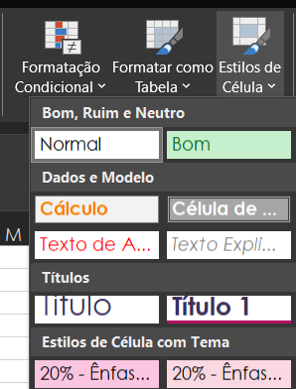
 |  |  |  |  |  |  |  |  |  | OBS ²: Lembrando que pra usar o ''TEMA'' precisa selecionar a formatação dos títulos

